Sheet1
S.No. | item_code | PICTURE | quantity | purchase_amount | tag_price
1 | F82/Y |  | 68 | 8000 | 14400
2 | F82/BK |  | 68 | 8000 | 14400
3 | W155/方 |  | 48 | 5000 | 9000
4 | W155/圆 |  | 48 | 5000 | 9000
5 | 2458壁灯 |  | 30 | 4500 | 8100
6 | 2426壁灯 |  | 30 | 4500 | 8100
7 | 2414壁灯 |  | 30 | 4500 | 8100
8 | 2428壁灯 |  | 30 | 4500 | 8100
9 | 2108壁灯 |  | 30 | 4500 | 8100
10 | 2431壁灯 |  | 30 | 4500 | 8100
11 | 3062壁灯 |  | 20 | 5000 | 9000
12 | 6061壁灯 |  | 20 | 5000 | 9000
13 | 5173 |  | 12 | 3800 | 6840
14 | 7029-2AM |  | 24 | 4800 | 8640
15 | 7029-2SM |  | 24 | 4800 | 8640
16 | 88008 |  | 12 | 8800 | 15840
17 | 3683 |  | 12 | 5500 | 9900
18 | 301 |  | 12 | 5500 | 9900
19 | 3881 |  | 12 | 4400 | 7920
20 | 9155 |  | 12 | 4000 | 7200
21 | 5170 |  | 12 | 3800 | 6840
22 | A750 |  | 12 | 4400 | 7920
23 | A781 |  | 12 | 3300 | 5940
24 | A1007 |  | 12 | 10000 | 18000
25 | A359-29 |  | 12 | 5000 | 9000
26 | A430 |  | 12 | 4400 | 7920
27 | 7803 |  | 12 | 5200 | 9360
28 | 9153W |  | 36 | 4000 | 7200
29 | 9176W |  | 36 | 4000 | 7200
30 | 9237W |  | 36 | 3300 | 5940
31 | 9258-1 |  | 36 | 3800 | 6840
32 | 9351-1 |  | 36 | 3600 | 6480
33 | A234 |  | 12 | 5200 | 9360
34 | A1075FGD |  | 36 | 3900 | 7020
35 | 7116B |  | 12 | 5500 | 9900
36 | A395-2 |  | 12 | 6500 | 11700
37 | 7092-57 |  | 12 | 3400 | 6120
38 | A366 |  | 12 | 3700 | 6660
39 | A1095A |  | 12 | 4000 | 7200
40 | A1001FGD-42 |  | 12 | 2800 | 5040
41 | A1001FGD-82 |  | 12 | 4000 | 7200
42 | A1001BK-42 |  | 12 | 2600 | 4680
43 | A1001BK-82 |  | 12 | 3750 | 6750
44 | A418 |  | 12 | 2800 | 5040
45 | A362 |  | 12 | 3000 | 5400
46 | A334 |  | 12 | 3800 | 6840
47 | A333 |  | 12 | 3800 | 6840
48 | A407H |  | 12 | 2200 | 3960
49 | 3781 |  | 12 | 2750 | 4950
50 | 3684 |  | 12 | 3000 | 5400
51 | 5172 |  | 12 | 3800 | 6840
52 | 9174 |  | 12 | 4000 | 7200
53 | A882 |  | 12 | 7000 | 12600
54 | A1035 |  | 36 | 3600 | 6480
55 | A1036 |  | 36 | 3600 | 6480
56 | A987AB |  | 12 | 3500 | 6300
57 | A987BK |  | 12 | 3500 | 6300
58 | 7115-3 |  | 12 | 5600 | 10080
59 | A309-1 |  | 24 | 3000 | 5400
60 | 7921BK |  | 12 | 3000 | 5400
61 | 7921 |  | 12 | 3600 | 6480
62 | A1148 |  | 12 | 4200 | 7560
63 | 2900/753 | 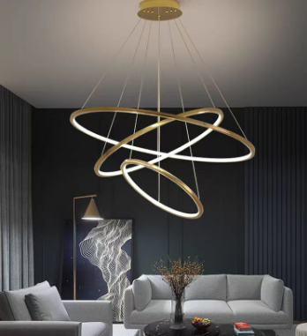 | 6 | 21000 | 37800
64 | 2900/642 |  | 6 | 20000 | 36000
65 | 9606/864 | 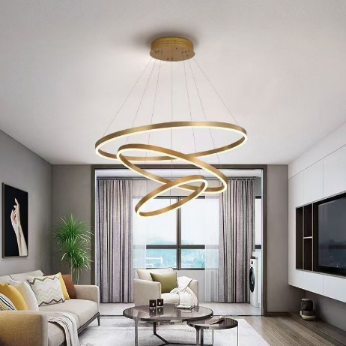 | 6 | 20000 | 36000
66 | 9606/753 |  | 6 | 20000 | 36000
67 | 336/6 |  | 4 | 41000 | 73800
68 | 336/8 | 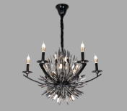 | 4 | 61000 | 109800
69 | 336A/400吊 |  | 6 | 20000 | 36000
70 | 336/400 |  | 12 | 18000 | 32400
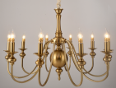
71 | 116/6+3 |  | 6 | 21000 | 37800
72 | 116/8+4 |  | 6 | 27000 | 48600
73 | 116/10+5 |  | 6 | 35000 | 63000
74 | 116/2 |  | 12 | 4500 | 8100
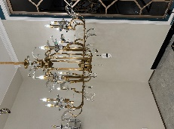
75 | 806/6 |  | 6 | 33500 | 60300
76 | 806/8 |  | 6 | 45000 | 81000
77 | 806/2 |  | 12 | 10000 | 18000
78 | HSL8015 |  | 5 | 32000 | 57600
79 | HSL8019/GD |  | 5 | 26000 | 46800
80 | HSL8019/BK |  | 5 | 26000 | 46800
81 | HSL8025/15 |  | 5 | 24000 | 43200
82 | HSL8079 |  | 5 | 16500 | 29700
83 |  |  | 5 | 18500 | 33300
84 | HSL8151 |  | 5 | 13000 | 23400
85 | HSL8153 |  | 5 | 20000 | 36000
86 | HSL8124 |  | 5 | 16000 | 28800
87 | HSL8125 |  | 5 | 17500 | 31500
88 | H848-1LED |  | 20 | 2800 | 5040
89 | H539-1SM |  | 20 |  | 0
90 | -1AM | 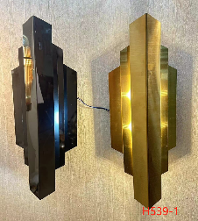 | 20 |  | 0
91 | H536-1 100*250 |  | 20 | 2900 | 5220
92 | E804-1 |  | 12 | 4800 | 8640
93 | E813-1 |  | 12 | 6000 | 10800
94 | E814-1 |  | 20 | 5000 | 9000
95 | D301-10配件 不要玻璃 |  | 20 | 4800 | 8640
96 | E803-2 G9 左 |  | 20 | 4500 | 8100
97 | -2 G9右 |  | 20 | 4500 | 8100
98 | H001-4 |  | 12 | 8000 | 14400
99 | E801-2 |  | 10 | 5700 | 10260
100 | H856-3 |  | 12 | 5500 | 9900
101 | E820-4LED |  | 10 | 9500 | 17100
102 | 9601-300 | 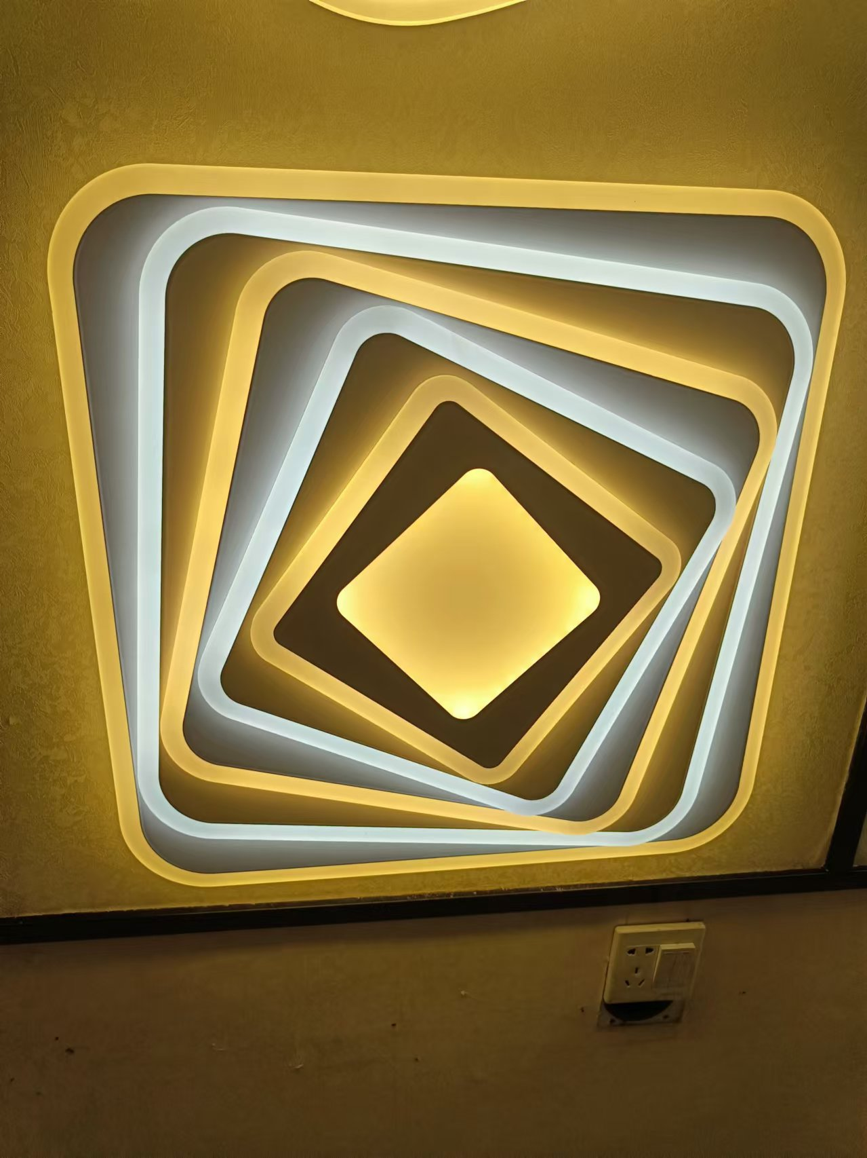 | 10 | 6000 | 10800
103 | 9602-500 |  | 10 | 11000 | 19800
104 | 9603-300 | 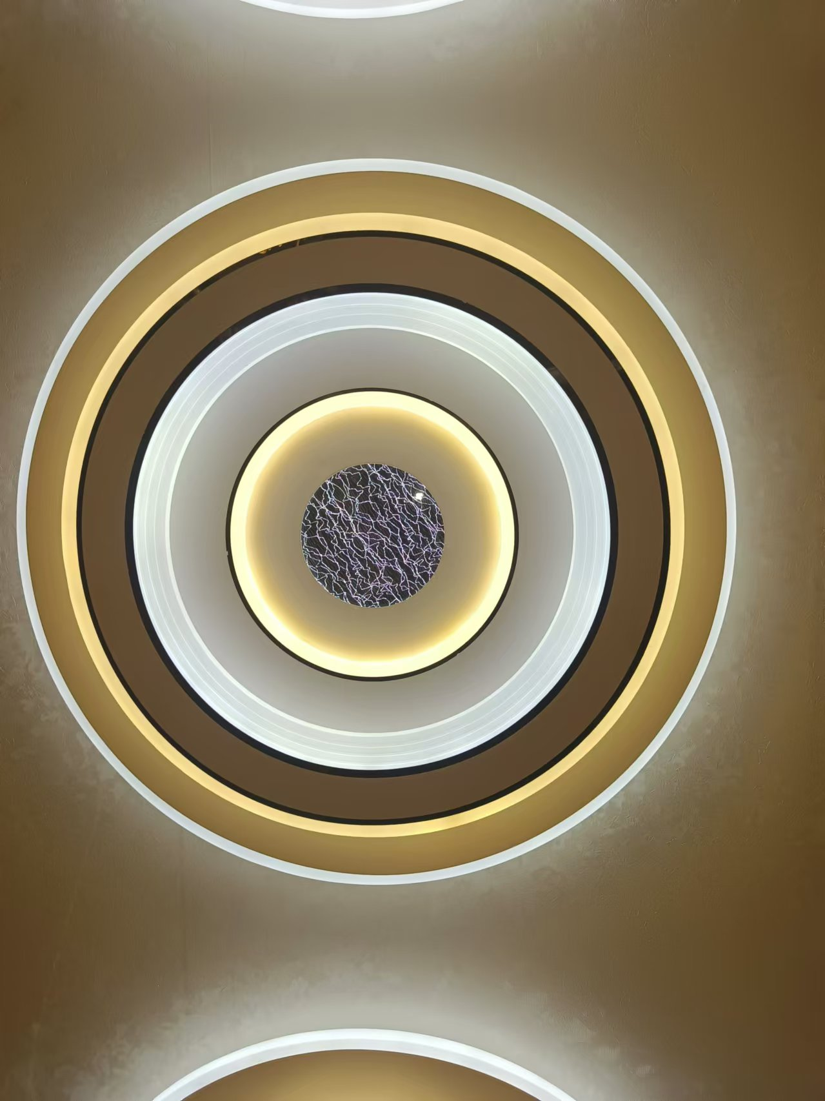 | 10 | 6000 | 10800
105 | 9604-500 |  | 10 | 11000 | 19800
106 | 9605-300 | 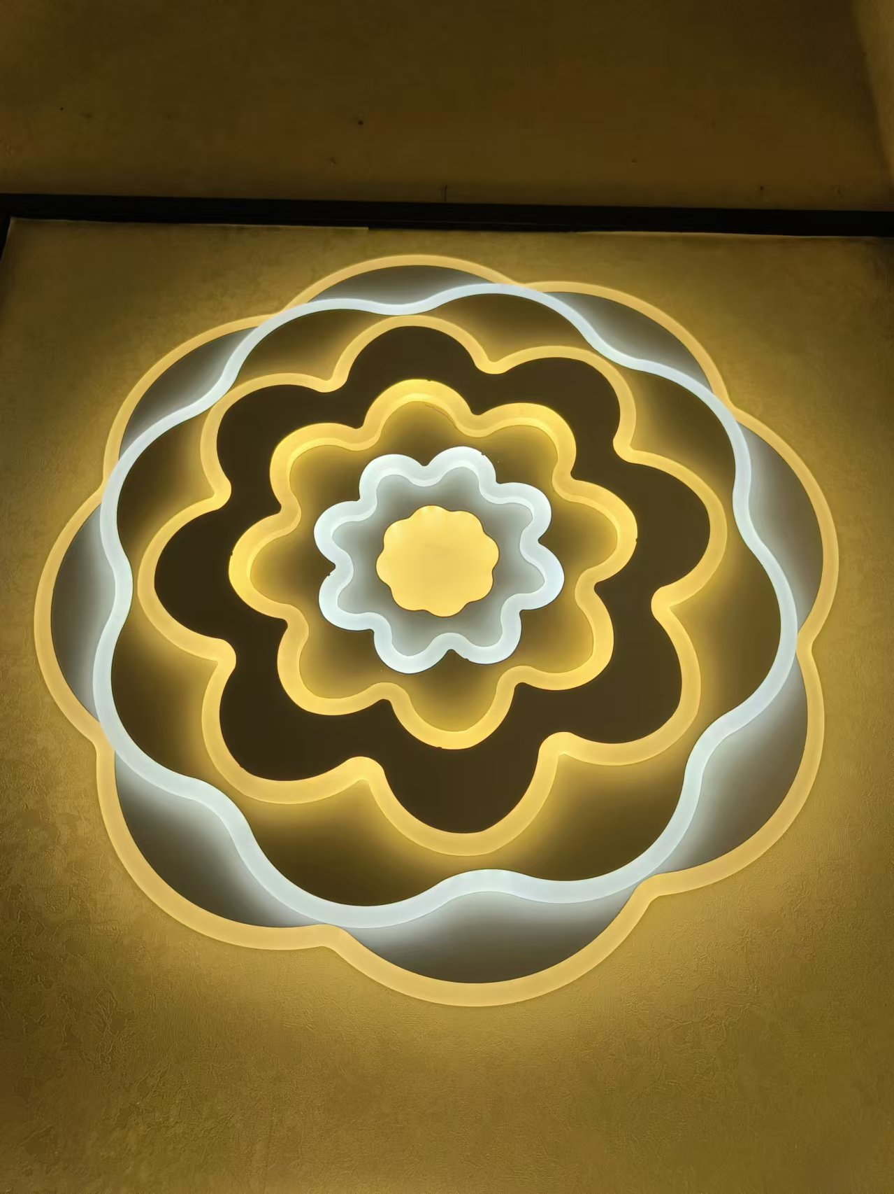 | 10 | 6000 | 10800
107 | 9606-500 |  | 10 | 11000 | 19800
108 | A141/220*1000 |  | 12 | 20000 | 36000
109 | 8+4 |  | 4 | 35000 | 63000
110 | 8+4 |  | 4 | 40000 | 72000
111 | 6 |  | 4 | 26000 | 46800
112 | 8+4 |  | 4 | 30000 | 54000
113 | 6 |  | 4 | 18000 | 32400
114 | 8+4 |  | 4 | 30000 | 54000
115 | 6 |  | 4 | 16000 | 28800
116 | 823 |  | 12 | 3100 | 5580
117 | 839 |  | 12 | 3100 | 5580
118 | 849-2 |  | 12 | 5500 | 9900
119 | 822 |  | 12 | 3600 | 6480
120 | 840-2 |  | 12 | 3500 | 6300
121 | 832 |  | 12 | 4000 | 7200
122 | 830 |  | 12 | 4000 | 7200
123 | 3707 |  | 12 | 3000 | 5400
124 | 3707 |  | 12 | 3000 | 5400
125 | 3709 |  | 12 | 3200 | 5760
126 | 3709 |  | 12 | 3200 | 5760
127 | BY-1 | 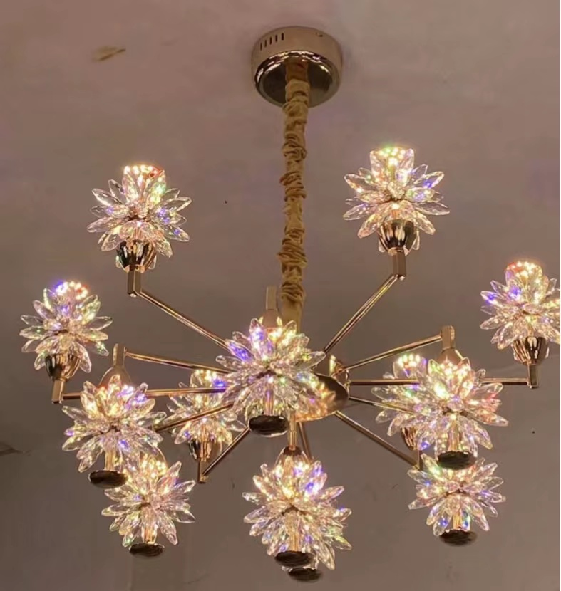 | 4 | 48000 | 86400
128 | BY-2 | 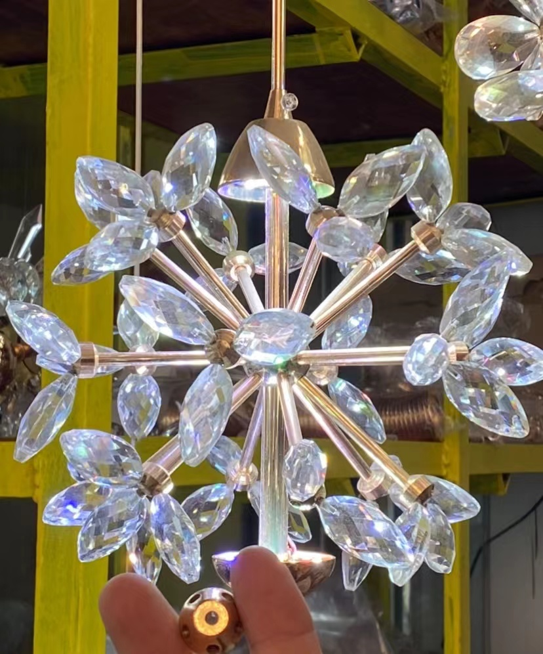 | 20 | 9000 | 16200

